Sheet1
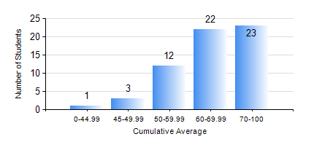
 |  |  | KWAME NKRUMAH UNIVERSITY OF SCIENCE AND TECHNOLOGY, KUMASI Department of Mechanical Engineering

 |  |  | BSC. AEROSPACE ENG., General Option

 |  |  | COMPREHENSIVE RECORD OF EXAMINATION RESULTS

 |  |  | RESULTS OF YEAR 1 SECOND SEMESTER, 2019/2020 ACADEMIC YEAR

 | Sn | Course Code |  | Course Name | Credit Hours | Min. Mark | Max. Mark | Avg. Mark | Std. Dev. | No. Passed | No. Trailed | No. (Df) | No. (I) | No. (I*) | No. Tagged(I,I*,Df) | Total
 | 1. | AERO 174 |  | AEROSPACE DESIGN PROJECT I | 2 | 62 | 93 | 84 | 6.96 | 60 | 0 | 0 | 1 | 0 | 1 | 61
 | 2. | EE 152 |  | BASIC ELECTRONICS | 2 | 40 | 92 | 71 | 14.31 | 61 | 0 | 0 | 0 | 0 | 0 | 61
 | 3. | ENGL 158 |  | COMMUNICATION SKILLS II | 2 | 40 | 86 | 64 | 12.15 | 56 | 0 | 0 | 5 | 0 | 5 | 61
 | 4. | MATH 152 |  | CALCULUS WITH ANALYSIS | 4 | 40 | 82 | 54 | 10.99 | 58 | 0 | 0 | 3 | 0 | 3 | 61
 | 5. | ME 158 |  | ENGINEERING GRAPHICS | 3 | 40 | 87 | 70 | 10.53 | 58 | 0 | 0 | 3 | 0 | 3 | 61
 | 6. | ME 164 |  | STATICS OF SOLID MECHANICS | 2 | 40 | 94 | 72 | 17.04 | 57 | 0 | 0 | 4 | 0 | 4 | 61
 | 7. | ME 168 |  | COMPUTER PROGRAMMING FOR ENGINEERS | 2 | 70 | 94 | 82 | 6.12 | 61 | 0 | 0 | 0 | 0 | 0 | 61

